EP6 Crimping & LT1(120x1)
FORM:- First Piece Inspection & Last Piece Inspection
CELL :- EP6 Crimping & Leak testing |  |  |  |  | Model
Sr. No. | Characterstics | Specification | Critical Parameteres | Visual Inspection | Date
 |  |  |  |  | Condition
 |  |  |  |  | Measurement Method | Shift:- |  | Shift:- |  | Shift:- |  | Shift:-
 |  |  |  |  |  | Device:- |  |  |  | Device :-
1 | Furnace tracebility (For all Model) | Traceability Date |  |  | Mention Detailes
 |  | Traceability Shift
2 | No. of Radiator Core (For all model) | 1
3 | No.of Inlet Tank (For all model) | 1
4 | No.of Outlet Tank (For all model) | 1
5 | Rubber Grommet Top (Only for For W153 ) | 2 |  |  | Visual
6 | Rubber Grommet Bottom (Only for For W153 ) | 2 |  | 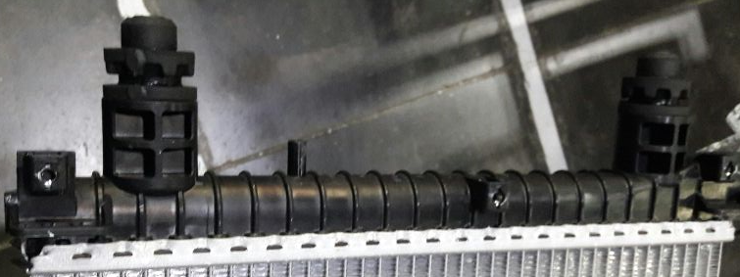
7 | Metal Sleeve (Only for For W153 ) | 2
8 | No.of Sealing Frame ( For all model) | 2
9 | Crimping Dimension | Max. 9.2 mm for S201 & W153 crimping height dimension at all 8 corners of the core and Mention value ) |  |  | Vernier Caliper | LH TANK | RH TANK | LH TANK | RH TANK | LH TANK | RH TANK | LH TANK | RH TANK

10 | No. of Drain Plug assly (S201 & W153) | 1 |  |  | Visual
11 | Protection cap | 2 - For all model
12 | No. of Foam ( Only for W153) | 1
13 | Crimping Depth Position | Crimping Depth should be in Center
14 | Mounting point checking (For all models) | Ensure all the mounting points qualify the DLT fixture |  | 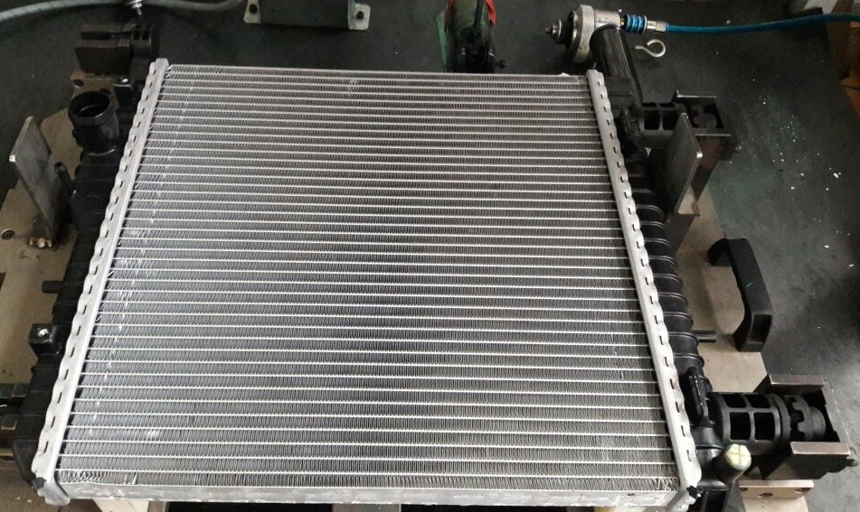 | Mounting point fixture
15 | Testing Pressure ( Vaccume Cycle ) | S201 & W153 - (-1.0 To - 0.70) bar |  | 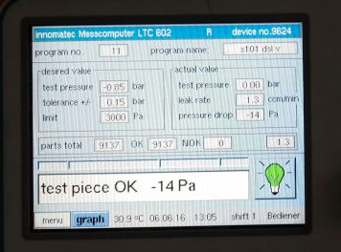 | Leak Testing M/c Program
16 | Testing Presssure ( Pressure Cycle ) | For W153/S201 - ( 1.9 To 2.1 ) bar |  |  | Leak Testing M/c Program

17 | Leak Rate | W153 -10 cc/min(max), S201 - 5 cc/min (max) |  |  | Leak Testing M/c Program
18 | Programme Name & NO |  |  |  | Mention Prog. Name & No
19 | Leak testing Barcode & Contents | Date |  |  | Mention Detailes
 |  | Time
 |  | Customer Part No.
 |  | Mahle Part No.
 |  | Sr. No.
20 | Green spray | Presence of Green marking for Ok Parts |  |  | Visual
A) Condition for First Piece Inspection :- 1] At Start of shift 2] End of shift or Model 3] Model &/or Set up change 4] Pokayoke Failure, corrected & production resumed 5] If poka yoke bypassed and production continued as per alternate poka yoke bypass document 6] More than 4 hour Planned shut down 7) During Abnormal Situations (7a-Emergency Alarm / 7b-Power Failure / 7c-Machine or Tool Breakdown - more than 45 mins / 7d-Inspection Guage or Instrument breakdown or fallen down) B) Reactivity Rule :- If any NC is found inform to CC/ Shift Incharge , Initiate actions for correction & After closure of NC treat the shift as a fresh shift , Start checking from the begining of the check points in the next column. C) Guideline for Supervisor's Approval: Supervisor need to do tick mark ( √ ) after verification of highlighted points. |  |  | Final Status
 |  |  | Checked By OE
 |  |  | Approved By CC
 |  |  | Time

Created By: |  | Yogesh C |  |  |  |  |  | Format /Rev No. |  | EP/F/ASSLY/FPA07-17
Approved By: |  | Sameer D |  |  |  |  |  | Date |  | 2022-05-05
 |  |  |  |  |  |  |  |  |  | S

